Summary Sheet
Free Flow Model - Summary Sheet

Economic Costs | Value
Capital Costs | $23,400,000
Maintenance Costs | $3,451,052
Total Economic Costs | $26,851,052

Economic Benefits | Value
Avoided Cost of Maintenance | $6,978,338
Travel Time Savings | $6,879,650
Delay Reduction Savings | $0
Vehicle Operating Cost Savings | $2,774,929
Crash Cost Savings | $0
Avoided Costs of Diversion (including Externalities) | $0
Residual/Salvage Value | $0
Total Economic Benefits | $16,632,917

Net Present Value | -$10,218,135

Benefit Cost Ratio (BCR) | 0.62

Total Economic Costs vs Total Economic Benefits

Benefit Cost Ratio (BCR)

VOC - IRI change over time
IRI | Difference
2
6 | 4

Year | Change
1
30 | 29

Change per year in Roughness (IRI) | 2 to 6 | 6 to 2
Straight line | 0.13793103448 | -0.13793103448
Continuous | 0.037883182368 | -0.037883182368

Roughness (IRI) change over time - straight line change
1 | 2
2 | 2.1379310345
3 | 2.275862069
4 | 2.4137931034
5 | 2.5517241379
6 | 2.6896551724
7 | 2.8275862069
8 | 2.9655172414
9 | 3.1034482759
10 | 3.2413793103
11 | 3.3793103448
12 | 3.5172413793
13 | 3.6551724138
14 | 3.7931034483
15 | 3.9310344828
16 | 4.0689655172
17 | 4.2068965517
18 | 4.3448275862
19 | 4.4827586207
20 | 4.6206896552
21 | 4.7586206897
22 | 4.8965517241
23 | 5.0344827586
24 | 5.1724137931
25 | 5.3103448276
26 | 5.4482758621
27 | 5.5862068966
28 | 5.724137931
29 | 5.8620689655
30 | 6
Roughness (IRI) change over time - straight line change
1 | 6
2 | 5.8620689655
3 | 5.724137931
4 | 5.5862068966
5 | 5.4482758621
6 | 5.3103448276
7 | 5.1724137931
8 | 5.0344827586
9 | 4.8965517241
10 | 4.7586206897
11 | 4.6206896552
12 | 4.4827586207
13 | 4.3448275862
14 | 4.2068965517
15 | 4.0689655172
16 | 3.9310344828
17 | 3.7931034483
18 | 3.6551724138
19 | 3.5172413793
20 | 3.3793103448
21 | 3.2413793103
22 | 3.1034482759
23 | 2.9655172414
24 | 2.8275862069
25 | 2.6896551724
26 | 2.5517241379
27 | 2.4137931034
28 | 2.275862069
29 | 2.1379310345
30 | 2
Year | Roughness (IRI) | Roughness (IRI) | Roughness (IRI) | Roughness (IRI) | Rate of change
1 | 2 | 6 | 2 | 6
2 | 2.1379310345 | 5.8620689655 | 2.0772197957 | 5.7769524558 | 0.96282540931
3 | 2.275862069 | 5.724137931 | 2.1574210398 | 5.5621966128 | 0.92703276881
4 | 2.4137931034 | 5.5862068966 | 2.2407188457 | 5.3554242304 | 0.89257070507
5 | 2.5517241379 | 5.4482758621 | 2.3272327715 | 5.1563385266 | 0.85938975444
6 | 2.6896551724 | 5.3103448276 | 2.417086991 | 4.9646537524 | 0.82744229207
7 | 2.8275862069 | 5.1724137931 | 2.5104104728 | 4.7800947813 | 0.79668246354
8 | 2.9655172414 | 5.0344827586 | 2.6073371647 | 4.6023967143 | 0.76706611905
9 | 3.1034482759 | 4.8965517241 | 2.7080061863 | 4.4313045002 | 0.73855075004
10 | 3.2413793103 | 4.7586206897 | 2.8125620285 | 4.2665725692 | 0.7110954282
11 | 3.3793103448 | 4.6206896552 | 2.9211547611 | 4.1079644803 | 0.68466074671
12 | 3.5172413793 | 4.4827586207 | 3.033940248 | 3.9552525821 | 0.65920876369
13 | 3.6551724138 | 4.3448275862 | 3.1510803711 | 3.8082176863 | 0.63470294772
14 | 3.7931034483 | 4.2068965517 | 3.2727432623 | 3.6666487525 | 0.61110812542
15 | 3.9310344828 | 4.0689655172 | 3.3991035453 | 3.5303425859 | 0.58839043099
16 | 4.0689655172 | 3.9310344828 | 3.5303425859 | 3.3991035453 | 0.56651725755
17 | 4.2068965517 | 3.7931034483 | 3.6666487525 | 3.2727432623 | 0.54545721038
18 | 4.3448275862 | 3.6551724138 | 3.8082176863 | 3.1510803711 | 0.52518006184
Roughness (IRI) change over time - gradual continuous change - Ae^(rt)
1 | 2
2 | 2.0772197957
3 | 2.1574210398
4 | 2.2407188457
5 | 2.3272327715
6 | 2.417086991
7 | 2.5104104728
8 | 2.6073371647
9 | 2.7080061863
10 | 2.8125620285
11 | 2.9211547611
12 | 3.033940248
13 | 3.1510803711
14 | 3.2727432623
15 | 3.3991035453
16 | 3.5303425859
17 | 3.6666487525
18 | 3.8082176863
19 | 3.9552525821
20 | 4.1079644803
21 | 4.2665725692
22 | 4.4313045002
23 | 4.6023967143
24 | 4.7800947813
25 | 4.9646537524
26 | 5.1563385266
27 | 5.3554242304
28 | 5.5621966128
29 | 5.7769524558
30 | 6
Roughness (IRI) change over time - gradual continuous change - Ae^(rt)
1 | 6
2 | 5.7769524558
3 | 5.5621966128
4 | 5.3554242304
5 | 5.1563385266
6 | 4.9646537524
7 | 4.7800947813
8 | 4.6023967143
9 | 4.4313045002
10 | 4.2665725692
11 | 4.1079644803
12 | 3.9552525821
13 | 3.8082176863
14 | 3.6666487525
15 | 3.5303425859
16 | 3.3991035453
17 | 3.2727432623
18 | 3.1510803711
19 | 3.033940248
20 | 2.9211547611
21 | 2.8125620285
22 | 2.7080061863
23 | 2.6073371647
24 | 2.5104104728
25 | 2.417086991
26 | 2.3272327715
27 | 2.2407188457
28 | 2.1574210398
29 | 2.0772197957
30 | 2
19 | 4.4827586207 | 3.5172413793 | 3.9552525821 | 3.033940248 | 0.505656708
20 | 4.6206896552 | 3.3793103448 | 4.1079644803 | 2.9211547611 | 0.48685912685
21 | 4.7586206897 | 3.2413793103 | 4.2665725692 | 2.8125620285 | 0.46876033809
22 | 4.8965517241 | 3.1034482759 | 4.4313045002 | 2.7080061863 | 0.45133436438
23 | 5.0344827586 | 2.9655172414 | 4.6023967143 | 2.6073371647 | 0.43455619412
24 | 5.1724137931 | 2.8275862069 | 4.7800947813 | 2.5104104728 | 0.41840174547
25 | 5.3103448276 | 2.6896551724 | 4.9646537524 | 2.417086991 | 0.40284783184
26 | 5.4482758621 | 2.5517241379 | 5.1563385266 | 2.3272327715 | 0.38787212858
27 | 5.5862068966 | 2.4137931034 | 5.3554242304 | 2.2407188457 | 0.37345314096
28 | 5.724137931 | 2.275862069 | 5.5621966128 | 2.1574210398 | 0.3595701733
29 | 5.8620689655 | 2.1379310345 | 5.7769524558 | 2.0772197957 | 0.34620329928
30 | 6 | 2 | 6 | 2 | 0.33333333333

Externality Values
Default externality values table C1 of NGTSM
 |  |  | Mar-2000 | 69.7
Passenger vehicles |  |  | Jun-2000 | 70.2
cents per vehicle km (total, 2005 values) | 4.79 |  | Sep-2000 | 72.9
cpi adjustment | 1.3898305085 |  | Dec-2000 | 73.1
cents per vehicle km (2019 values) | 6.6572881356 |  | Mar-2001 | 73.9
 |  |  | Jun-2001 | 74.5
Heavy vehicles |  |  | Sep-2001 | 74.7
cents per vehicle km (total, 2005 values) | 1.88 | 0.97 | Dec-2001 | 75.4
cpi adjustment | 1.3898305085 | 0.07 | Mar-2002 | 76.1
cents per vehicle km (2019 values) | 2.6128813559 | 0.26 | Jun-2002 | 76.6
 |  | 0.1 | Sep-2002 | 77.1
 |  | 0.26 | Dec-2002 | 77.6
 |  | 0.22 | Mar-2003 | 78.6
 |  |  | Jun-2003 | 78.6
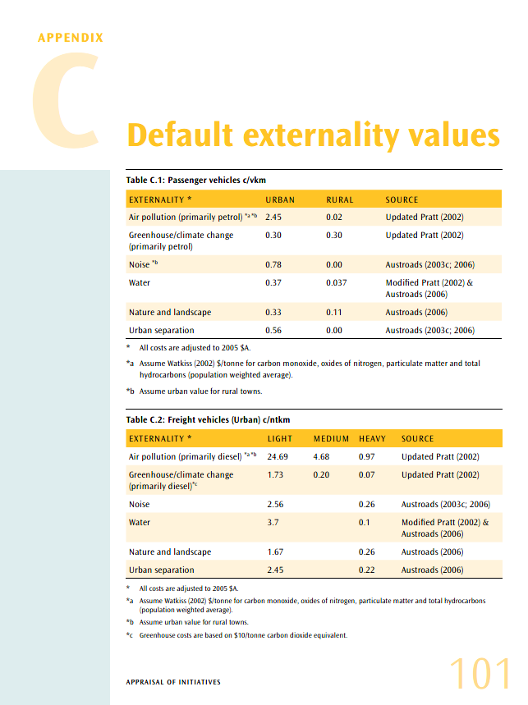
 |  |  | Sep-2003 | 79.1
 |  |  | Dec-2003 | 79.5
 |  |  | Mar-2004 | 80.2
 |  |  | Jun-2004 | 80.6
 |  |  | Sep-2004 | 80.9
 |  |  | Dec-2004 | 81.5
 |  |  | Mar-2005 | 82.1
 |  |  | Jun-2005 | 82.6
 |  |  | Sep-2005 | 83.4
 |  |  | Dec-2005 | 83.8
 |  |  | Mar-2006 | 84.5
 |  |  | Jun-2006 | 85.9
 |  |  | Sep-2006 | 86.7
 |  |  | Dec-2006 | 86.6
 |  |  | Mar-2007 | 86.6
 |  |  | Jun-2007 | 87.7
 |  |  | Sep-2007 | 88.3
 |  |  | Dec-2007 | 89.1
 |  |  | Mar-2008 | 90.3
 |  |  | Jun-2008 | 91.6
 |  |  | Sep-2008 | 92.7
 |  |  | Dec-2008 | 92.4
 |  |  | Mar-2009 | 92.5
 |  |  | Jun-2009 | 92.9
 |  |  | Sep-2009 | 93.8
 |  |  | Dec-2009 | 94.3
 |  |  | Mar-2010 | 95.2
 |  |  | Jun-2010 | 95.8
 |  |  | Sep-2010 | 96.5
 |  |  | Dec-2010 | 96.9
 |  |  | Mar-2011 | 98.3
 |  |  | Jun-2011 | 99.2
 |  |  | Sep-2011 | 99.8
 |  |  | Dec-2011 | 99.8
 |  |  | Mar-2012 | 99.9
 |  |  | Jun-2012 | 100.4
 |  |  | Sep-2012 | 101.8
 |  |  | Dec-2012 | 102.0
 |  |  | Mar-2013 | 102.4
 |  |  | Jun-2013 | 102.8
 |  |  | Sep-2013 | 104.0
 |  |  | Dec-2013 | 104.8
 |  |  | Mar-2014 | 105.4
 |  |  | Jun-2014 | 105.9
 |  |  | Sep-2014 | 106.4
 |  |  | Dec-2014 | 106.6
 |  |  | Mar-2015 | 106.8
 |  |  | Jun-2015 | 107.5
 |  |  | Sep-2015 | 108.0
 |  |  | Dec-2015 | 108.4
 |  |  | Mar-2016 | 108.2
 |  |  | Jun-2016 | 108.6
 |  |  | Sep-2016 | 109.4
 |  |  | Dec-2016 | 110.0
 |  |  | Mar-2017 | 110.5
 |  |  | Jun-2017 | 110.7
 |  |  | Sep-2017 | 111.4
 |  |  | Dec-2017 | 112.1
 |  |  | Mar-2018 | 112.6
 |  |  | Jun-2018 | 113.0
 |  |  | Sep-2018 | 113.5
 |  |  | Dec-2018 | 114.1
 |  |  | Mar-2019 | 114.1
 |  |  | Jun-2019 | 114.8

