Risk
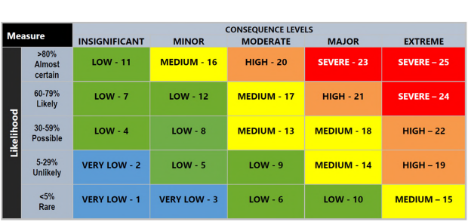
Criterion 3 - Project Deliverability - Risk
Demonstrate the capability and capacity to deliver the project, including mitigating identified risks.
In the table below, outline:
· project risks, including where there may be project delays, cost overruns and/or changes in scope.
· risk mitigation strategies to effectively manage the project risks.

Risk Assessment
What are your project risks and what are your mitigation strategies? Use the matrix below this table to guide your responses.
Risks | Risk Details | Proposed Mitigation Strategies | Likelihood Following Implementation of Mitigation Strategy | Consequence Following Implementation of Mitigation Strategy | Resulting risk
Changes to funding contributions/ contributors Is your co-contribution secured? Is any of your funding contingent on other parties (for example State Government grant programs or private contributions)? How likely is it that those parties would withdraw funding? What contingency is in place if that were to happen? |  |  | Select from drop down menu | Select from drop down menu
Delays or rejections of approvals Do you require development, heritage, cultural, environmental, fisheries or any other approvals? What is the likelihood of approvals not being granted? Why would any approval be rejected? If any approvals are rejected, will this mean the project cannot go ahead? Are there other solutions? |  |  | Select from drop down menu | Select from drop down menu
Changes to cost estimates What steps have you taken to ensure that your estimated costs don't change? Have you made allowance for contingency and cost escalation? Are you prepared to bear responsibility for cost overruns? How have you determined the contingency amount in your budget is appropriate? |  |  | Select from drop down menu | Select from drop down menu
Identification of additional works at pre-construction What steps have you taken to ensure that there are no unexpected issues that will affect the cost, scope or timeframes for the project? |  |  | Select from drop down menu | Select from drop down menu
Issues with contracting (such as receiving competitive tenders) Have you considered how you will deliver the project? Are costs for labour or materials likely to change before you deliver the project? |  |  | Select from drop down menu | Select from drop down menu
Project timeframes Do your expected timeframes for delivery align with those outlined in the Program Guidelines? Are there factors that could cause delays to your project, such as adverse weather events? |  |  | Select from drop down menu | Select from drop down menu
Resource availability Will you have access to the resources required to complete the project within planned timeframes? Could there be delays in sourcing project materials or contracting design teams/construction crews? |  |  | Select from drop down menu | Select from drop down menu
Land acquisition and utility relocation Do you need to acquire land? If so at what stage of the acquisition process are you in? Do you need to relocate utilities? Has consent for this been gained? |  |  | Select from drop down menu | Select from drop down menu
Changes to scope How mature is your planning for this project? Are there likely to be changes to current design, due to site conditions, constructability, community concerns or any other reason? |  |  | Select from drop down menu | Select from drop down menu
Other Are there any other risks to the deliverability of your project not outlined above? If so, please list them and their mitigation strategies here. |  |  | Select from drop down menu | Select from drop down menu

